BLACK COFFEE ROASTERS (Coffee)
DATE | INV NO. | DESCRIPTIONS | QTY | PRICE | BILLS | TOTAL | DUE DATE
2-Feb-2026 | BL2-10-2613 | CANGGU BLEND 1 KG | 20 | IDR 280,000 | 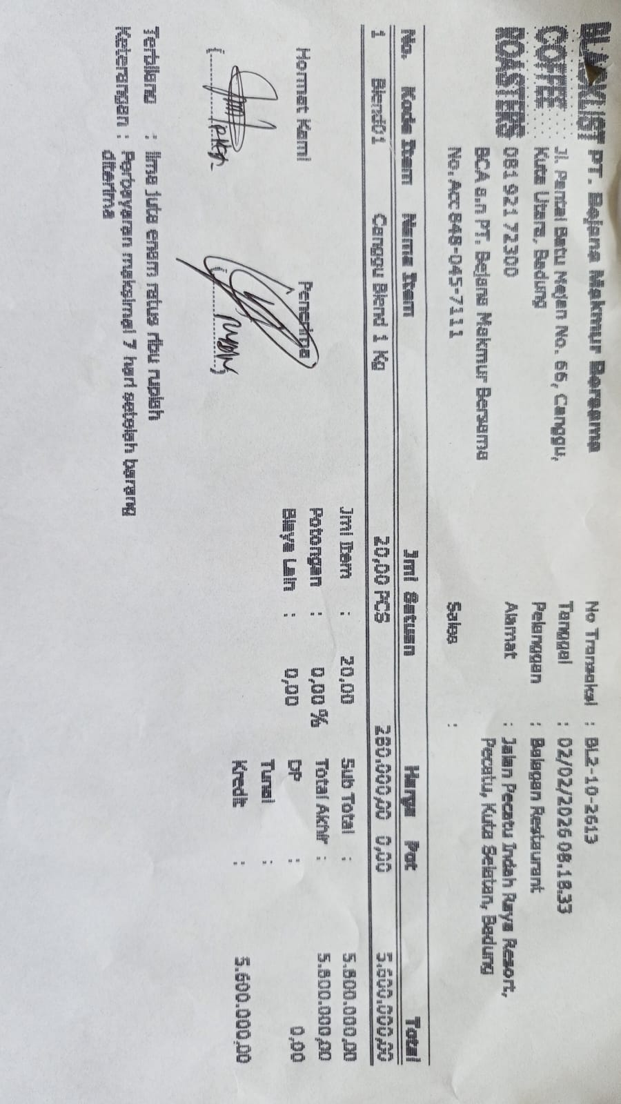 | IDR 5,600,000 | 9-Feb-2026
 |  |  |  |  |  | IDR -
Total |  |  |  |  | Rp5,600,000

